Sheet1
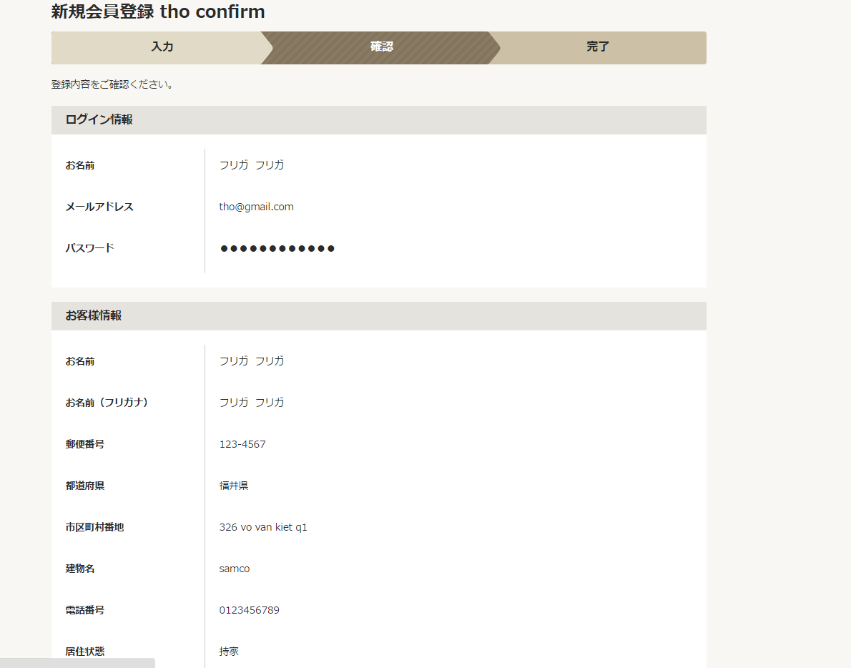

 | Webfontpana

/account/member/new/confirm/ | View | MemberAddConfirm.jsp
 | Filter | web.xml | EncodeFilter BaseFilter CookieSupportCheckFilter

 | Controller | MemberConfirmCommand.java
Model: model.member.* | Service | PanaCommonManageImpl.java PanaMypageUserManageImpl.java
 | DAO | jp.co.transcosmos.dm3.dao.ReflectingDAO |  | <bean id="memberInfoDAO" class="jp.co.transcosmos.dm3.dao.ReflectingDAO"> <property name="dataSource" ref="requestScopeDS"/> <property name="valueObjectClassName" value="jp.co.transcosmos.dm3.corePana.vo.MemberInfo"/> <property name="pkFields" value="userId"/> <property name="emptyStringsToNull" value="true"/> <property name="useAutonumberColumns" value="false"/> </bean>
 | VO | MemberInfo.java
 | Url mapping | myPageEdit.xml |  | <bean class="jp.co.transcosmos.dm3.servlet.URLCommandViewMapping"> <property name="urlPattern" value="/account/member/new/confirm/" /> <property name="defaultCommandName" value="memberAddConfirmCommand" /> <property name="defaultViewName" value="/WEB-INF/jsp/front/mypage/MemberAddConfirm.jsp"/> <!-- <property name="defaultViewName" value="/WEB-INF/jsp/front/mypage/thotest.jsp" /> --> <property name="namedViews"> <props> <prop key="input">/WEB-INF/jsp/front/mypage/MemberAddInput.jsp </prop> </props> </property> </bean> <bean id="memberAddInputCommand" class="jp.co.transcosmos.dm3.webFront.mypage.command.MemberInputCommand" scope="prototype"> <property name="panamCommonManager" ref="panamCommonManager" /> <property name="userManager" ref="panaMypageUserManager" /> <property name="mode" value="insert" /> </bean> //khi submit de insert vao db thi se goi bean nay <bean class="jp.co.transcosmos.dm3.servlet.URLCommandViewMapping"> <property name="urlPattern" value="/account/member/new/result/" /> <property name="defaultCommandName" value="memberAddCompCommand" /> <property name="defaultViewName" value="/WEB-INF/jsp/front/mypage/MemberCompRedirect.jsp" /> <property name="namedViews"> <props> <prop key="input">/WEB-INF/jsp/front/mypage/MemberAddInput.jsp </prop> </props> </property> </bean> //goi toi thang nay de insert <bean id="memberAddCompCommand" class="jp.co.transcosmos.dm3.webFront.mypage.command.MemberCompCommand" scope="prototype"> <property name="panamCommonManager" ref="panamCommonManager" /> <property name="userManager" ref="mypageUserManager" /> <property name="mode" value="insert" /> <property name="useUserIdValidation" value="false" /> <property name="sendMypagePasswordTemplate" ref="sendMemberAddTemplate" /> </bean>

 | beans | applicationContext.xml |  | <bean id="panaMypageUserManager" class="jp.co.transcosmos.dm3.corePana.model.member.PanaMypageUserManageImpl"> <property name="valueObjectFactory" ref="valueObjectFactory"/> <property name="memberListDAO" ref="panaMemberListDAO" /> <property name="userInfoDAO" ref="userInfoDAO" /> <property name="memberInfoDAO" ref="memberInfoDAO" /> <property name="passwordRemindDAO" ref="passwordRemindDAO"/> <property name="memberQuestionDAO" ref="memberQuestionDAO"/> <property name="mypageFormFactory" ref="mypageUserFormFactory"/> <property name="commonParameters" ref="commonParameters"/> </bean> <bean id="panamCommonManager" class="jp.co.transcosmos.dm3.corePana.model.common.PanaCommonManageImpl"> <property name="prefMstDAO" ref="prefMstDAO" /> <property name="addressMstDAO" ref="addressMstDAO" /> <property name="routeMstDAO" ref="routeMstDAO" /> <property name="stationMstDAO" ref="stationMstDAO" /> <property name="zipMstDAO" ref="zipMstDAO" /> <property name="stationRouteInfoDAO" ref="stationRouteInfoDAO" /> <property name="panaRouteMstListDAO" ref="panaRouteMstListDAO" /> <property name="equipMstDAO" ref="equipMstDAO" /> <property name="rrMstDAO" ref="rrMstDAO" /> </bean> <bean id="memberInfoDAO" class="jp.co.transcosmos.dm3.dao.ReflectingDAO"> <property name="dataSource" ref="requestScopeDS"/> <property name="valueObjectClassName" value="jp.co.transcosmos.dm3.corePana.vo.MemberInfo"/> <property name="pkFields" value="userId"/> <property name="emptyStringsToNull" value="true"/> <property name="useAutonumberColumns" value="false"/> </bean>

